格式贴纸
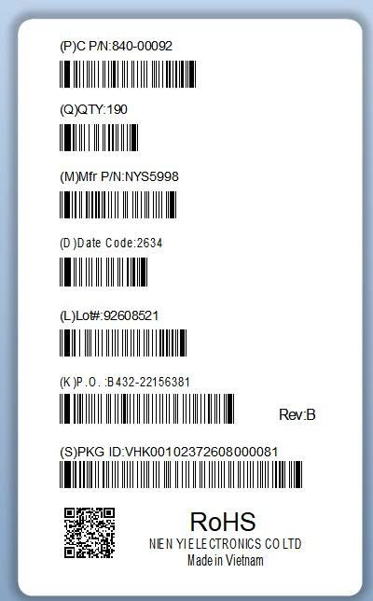
NO. | SKU | 厂内料号 | 对应贴纸 | 生产状态 | 总4种格式图片
 | G012C1B | 1LAE0009D2U004MAAR | 2 | 在生产
 | 2M21-00508-0004H | 1LAE0091C2U011NMES | 3 | 在生产
1 | G112C1B | 1LAE0009D2U002MAAS | 2
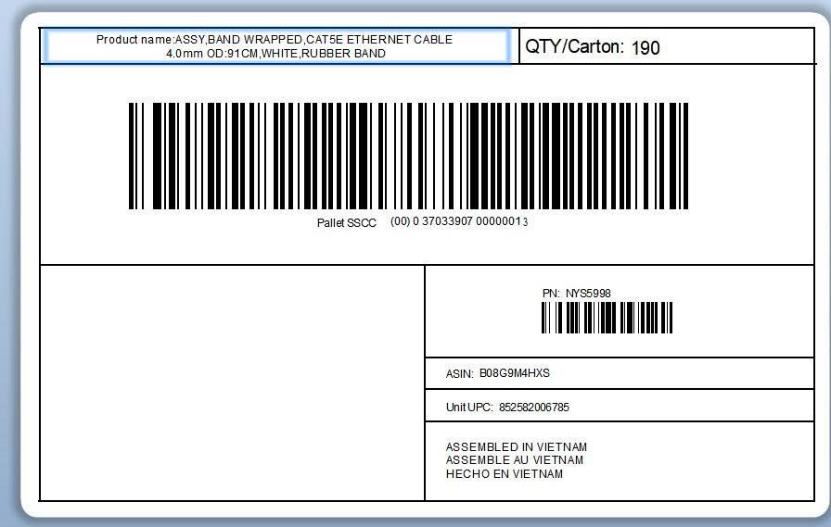
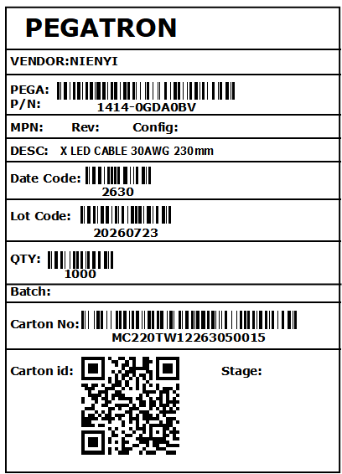
2 | G111D1A | 1LAX0005F2U001MAAP | 4
3 | G111C1B | 1LAX0091C2U002MAAQ | 4
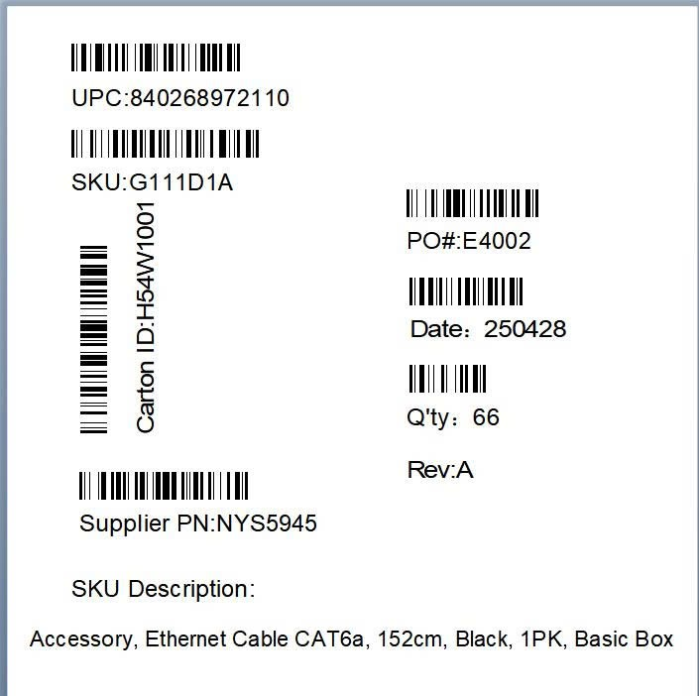
5 | G111D1B | 1LAX0005F2U002MAAQ | 4
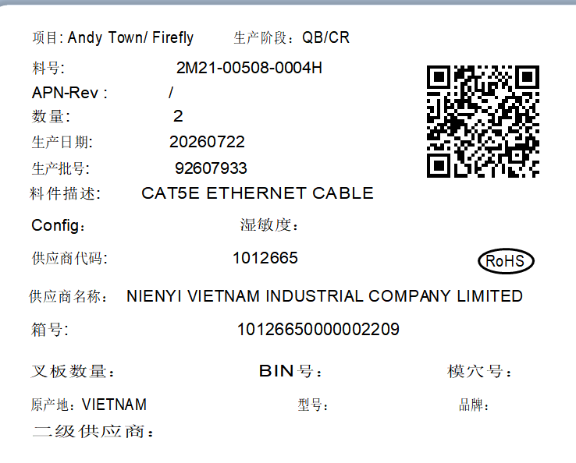
6 | G111F1B | 1LAX0010F2U002MAAQ | 4
7 | G111B1B | 1LAX0030C2U002MAAP | 4
8 | G111C1A | 1LAX0091C2U001MAA | 4
9 | 840-00092 | 1LAE0091C2U005MAAS | 1
10 | 840-00083 | 1LAX0091C2U004MAAS | 1
11 | G111A1A | 1LAX0015C2U001MAAR | 4
12 | G111B1A | 1LAX0030C2U001MAAR | 4
13 | G111F1A | 1LAX0010F2U001MAAR | 4
14 | G111A1B | 1LAX0015C2U002MAAR | 4
15 | G111A1C | 1LAX0015C2U003MAAR | 4
16 | G111B1C | 1LAX0030C2U003MAAR | 4
17 | G111C1C | 1LAX0091C2U003MAAR | 4
18 | G111D1C | 1LAX0005F2U003MAAR | 4
19 | G111F1C | 1LAX0010F2U003MAAR | 4

1
2
3
4
5

 |  |  |  |  |  | PD014736 | PD027504 | PD024364 | PD027032 | PD016906

PD014736
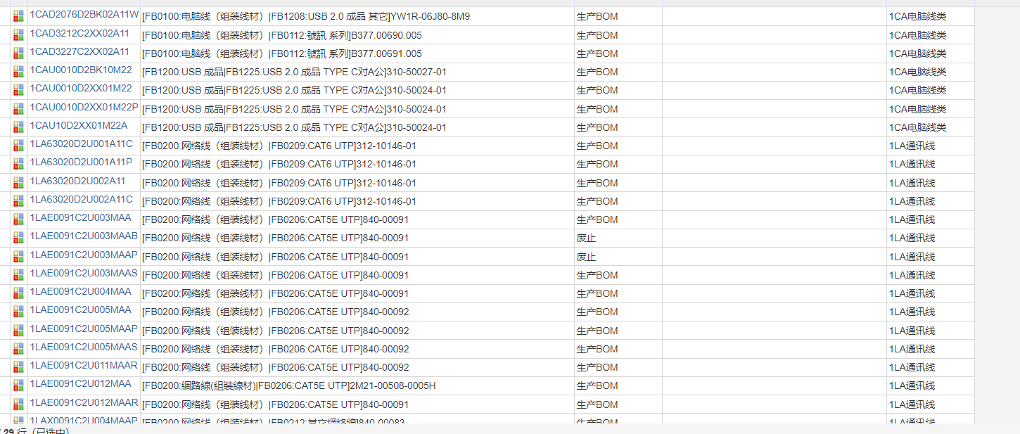

PD027504
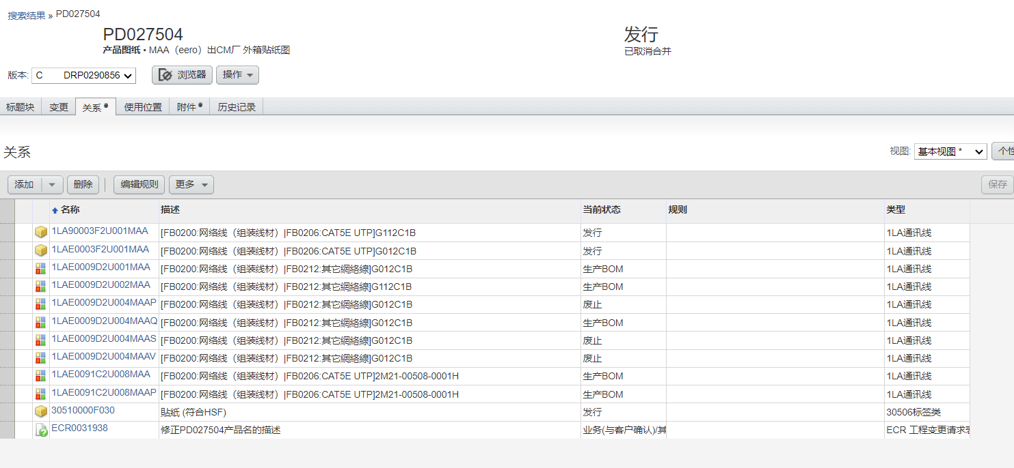

PD024364
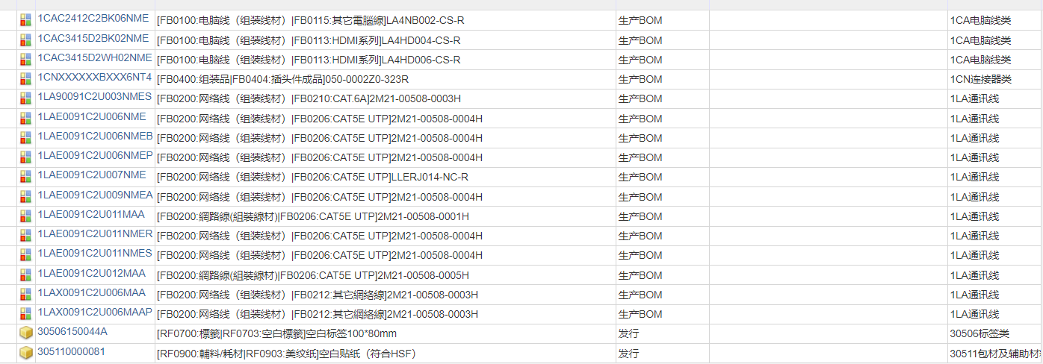

PD027032
